Sheet1
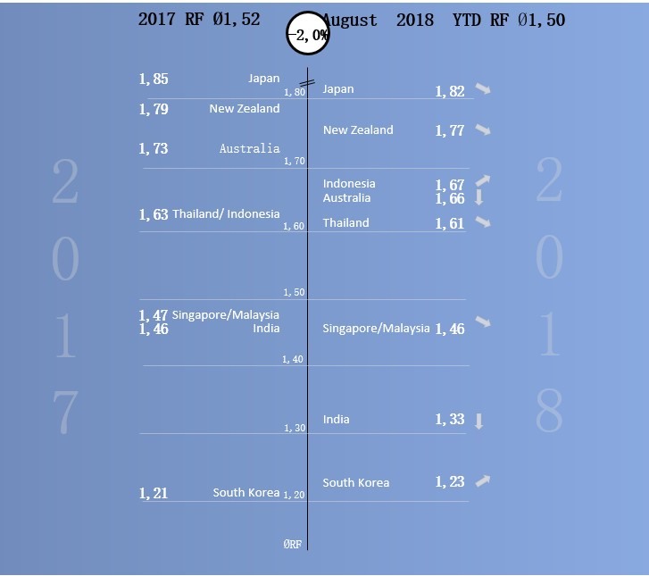
 | RF 2017 | RF 2018 August | 2017数值x | 2017数值y | 2017标签x | 2017标签y | 2018标签x | 2018标签y | 2018数值x | 2018数值y | 箭头x | 箭头y | 箭头标签
Schweiz | 1.56 | 1.54 | 1 | 1.56 | 2 | 1.56 | 4 | 1.54 | 5 | 1.54 | 5.5 | 1.54 | -0.02
Spain | 1.33 | 1.31 | 1 | 1.33 | 2 | 1.33 | 4 | 1.31 | 5 | 1.31 | 5.5 | 1.31 | -0.02
Denmark | 1.31 | 1.33 | 1 | 1.31 | 2 | 1.31 | 4 | 1.33 | 5 | 1.33 | 5.5 | 1.33 | 0.02
Greece | 1.31 | 1.3 | 1 | 1.31 | 2 | 1.31 | 4 | 1.3 | 5 | 1.3 | 5.5 | 1.3 | -0.01
Finnland | 1.29 | 1.29 | 1 | 1.29 | 2 | 1.29 | 4 | 1.29 | 5 | 1.29 | 5.5 | 1.29 | 0
Italy | 1.22 | 1.24 | 1 | 1.22 | 2 | 1.22 | 4 | 1.24 | 5 | 1.24 | 5.5 | 1.24 | 0.02
CZ | 1.22 | 1.21 | 1 | 1.22 | 2 | 1.22 | 4 | 1.21 | 5 | 1.21 | 5.5 | 1.21 | -0.01
NO | 1.22 | 1.21 | 1 | 1.22 | 2 | 1.22 | 4 | 1.21 | 5 | 1.21 | 5.5 | 1.21 | -0.01
Schweden | 1.21 | 1.2 | 1 | 1.21 | 2 | 1.21 | 4 | 1.2 | 5 | 1.2 | 5.5 | 1.2 | -0.01
Belgium | 1.2 | 1.22 | 1 | 1.2 | 2 | 1.2 | 4 | 1.22 | 5 | 1.22 | 5.5 | 1.22 | 0.02
SK | 1.2 | 1.23 | 1 | 1.2 | 2 | 1.2 | 4 | 1.23 | 5 | 1.23 | 5.5 | 1.23 | 0.03
BG | 1.2 | 1.23 | 1 | 1.2 | 2 | 1.2 | 4 | 1.23 | 5 | 1.23 | 5.5 | 1.23 | 0.03
SI | 1.2 | 1.22 | 1 | 1.2 | 2 | 1.2 | 4 | 1.22 | 5 | 1.22 | 5.5 | 1.22 | 0.02
France | 1.19 | 1.2 | 1 | 1.19 | 2 | 1.19 | 4 | 1.2 | 5 | 1.2 | 5.5 | 1.2 | 0.01
PT | 1.18 | 1.2 | 1 | 1.18 | 2 | 1.18 | 4 | 1.2 | 5 | 1.2 | 5.5 | 1.2 | 0.02
Austria | 1.17 | 1.18 | 1 | 1.17 | 2 | 1.17 | 4 | 1.18 | 5 | 1.18 | 5.5 | 1.18 | 0.01
PL | 1.17 | 1.19 | 1 | 1.17 | 2 | 1.17 | 4 | 1.19 | 5 | 1.19 | 5.5 | 1.19 | 0.02
UK | 1.16 | 1.14 | 1 | 1.16 | 2 | 1.16 | 4 | 1.14 | 5 | 1.14 | 5.5 | 1.14 | -0.02
Germany | 1.15 | 1.18 | 1 | 1.15 | 2 | 1.15 | 4 | 1.18 | 5 | 1.18 | 5.5 | 1.18 | 0.03
Netherlands | 1.13 | 1.16 | 1 | 1.13 | 2 | 1.13 | 4 | 1.16 | 5 | 1.16 | 5.5 | 1.16 | 0.03
RO | 1.06 | 1.14 | 1 | 1.06 | 2 | 1.06 | 4 | 1.14 | 5 | 1.14 | 5.5 | 1.14 | 0.08

 | RF 2017 | RF 2018 August
Japan | 1.85 | 1.82
New Zealand | 1.79 | 1.77
Australia | 1.73 | 1.66
Thailand | 1.63 | 1.61
Indonesia | 1.63 | 1.67
Singapore | 1.47 | 1.46
Malaysia | 1.47 | 1.46
India | 1.46 | 1.33
South Korea | 1.21 | 1.23

 | -3.2
 | 2.3

 | [颜色10]▲;[颜色3]▼;-

Sheet2
EU
 | RF 2017 | RF 2018 August | y | 标签x | 上升 | 减少
Schweiz | 1.56 | 1.54 | 20.5 | 1 | #N/A | 0.02
Spain | 1.33 | 1.31 | 19.5 | 1 | #N/A | 0.02
Denmark | 1.31 | 1.33 | 18.5 | 1 | 0.02 | #N/A
Greece | 1.31 | 1.3 | 17.5 | 1 | #N/A | 0.01
Finnland | 1.29 | 1.29 | 16.5 | 1 | 0 | #N/A
Italy | 1.22 | 1.24 | 15.5 | 1 | 0.02 | #N/A
CZ | 1.22 | 1.21 | 14.5 | 1 | #N/A | 0.01
NO | 1.22 | 1.21 | 13.5 | 1 | #N/A | 0.01
Schweden | 1.21 | 1.2 | 12.5 | 1 | #N/A | 0.01
Belgium | 1.2 | 1.22 | 11.5 | 1 | 0.02 | #N/A
SK | 1.2 | 1.23 | 10.5 | 1 | 0.03 | #N/A
BG | 1.2 | 1.23 | 9.5 | 1 | 0.03 | #N/A
SI | 1.2 | 1.22 | 8.5 | 1 | 0.02 | #N/A
France | 1.19 | 1.2 | 7.5 | 1 | 0.01 | #N/A
PT | 1.18 | 1.2 | 6.5 | 1 | 0.02 | #N/A
Austria | 1.17 | 1.18 | 5.5 | 1 | 0.01 | #N/A
PL | 1.17 | 1.19 | 4.5 | 1 | 0.02 | #N/A
UK | 1.16 | 1.14 | 3.5 | 1 | #N/A | 0.02
Germany | 1.15 | 1.18 | 2.5 | 1 | 0.03 | #N/A
Netherlands | 1.13 | 1.16 | 1.5 | 1 | 0.03 | #N/A
RO | 1.06 | 1.14 | 0.5 | 1 | 0.08 | #N/A

Asia
 | RF 2017 | RF 2018 August | y | 标签x | 上升 | 减少
Japan | 1.85 | 1.82 | 8.5 | 1 | #N/A | 0.03
New Zealand | 1.79 | 1.77 | 7.5 | 1 | #N/A | 0.02
Australia | 1.73 | 1.66 | 6.5 | 1 | #N/A | 0.07
Thailand | 1.63 | 1.61 | 5.5 | 1 | #N/A | 0.02
Indonesia | 1.63 | 1.67 | 4.5 | 1 | 0.04 | #N/A
Singapore | 1.47 | 1.46 | 3.5 | 1 | #N/A | 0.01
Malaysia | 1.47 | 1.46 | 2.5 | 1 | #N/A | 0.01
India | 1.46 | 1.33 | 1.5 | 1 | #N/A | 0.13
South Korea | 1.21 | 1.23 | 0.5 | 1 | 0.02 | #N/A

